Medicare Inpatient SUD provider
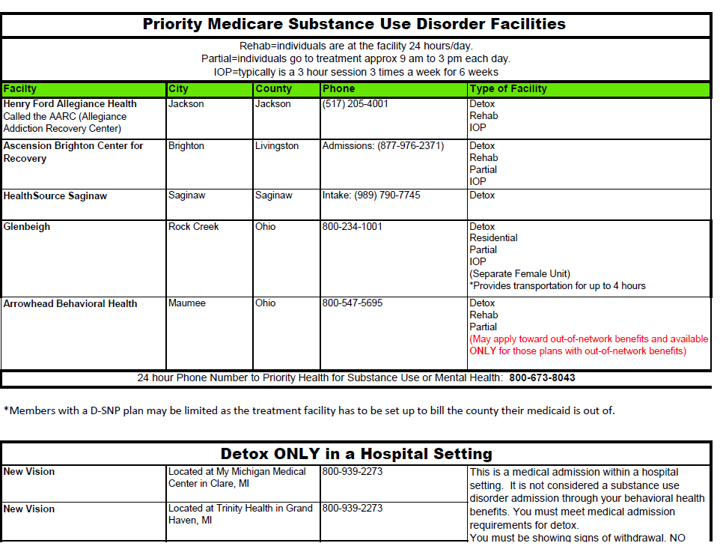
Medicare Residential SUD Providers:
Individuals with Primary Medicare are required to utilize a Medicare approved facility for SUD Detox/Residential.
If there are difficulties in finding a placement through Medicare, please contact Utilization Management for assistance for other coverage options
Ascension Brighten Recovery Center |  |  | Provides 24/7 care for substance use disorders, including chronic use of alcohol and fentanyl. Medicare and other health insurances are accepted. Holistic approach to treatment including physical and mental health – from detox and withdrawal to individual and group therapy, nutrition guidance, and therapeutic art, music and yoga
Distance from Muskegon: 2 hours
https://healthcare.ascension.org/Locations/Michigan/MIDET/Brighton%20Ascension%20Brighton%20Center%20for%20Recovery
12851 Grand River Ave.
Brighton, MI 48116
Admissions Department: (810) 220-5514
MAIN: (877) 976-2371
St. Mary Mercy Livonia Inpatient Chemical Dependency Unit
Distance from Muskegon: 2.5 Hours
Short term residential unit, non-medical
https://www.stjoeshealth.org/find-a-service-or-specialty/behavioral-health/inpatient-chemical-dependency
36475 Five Mile Road
Livonia, MI 48154
(734) 655-5811

St. Joseph Mercy Chelsea Older Adult Recovery Center (Chelsea, MI)
Distance from Muskegon: 2 Hours 14 Minutes
https://www.stjoeshealth.org/find-a-service-or-specialty/behavioral-health/older-adult-recovery-center
350 N. Main Street Suite 150
Chelsea, MI 48118
(734) 593-5251
* Will need to set up an initial intake assessment with one of the unit doctors at their outpatient locations at:
Livonia: (734) 261-3290
Farmington Hills: (248) 474-5601

Harbor Oaks Hospital Inpatient (New Baltimore, MI)
Distance from Muskegon: 3 Hours
https://www.harboroaks.com/
35031 23Mile Rd.
New Baltimore, MI 48047
(855) 298-3586

Henry Ford Allegiance Addiction Recovery Center (Jackson, MI)
Distance from Muskegon: 2 Hours
https://www.henryford.com/locations/allegiance-addiction-recovery-center
2424 W. Washington Ave.
Jackson, MI 49203
(517) 205-4001

Pathways Substance Abuse (Saginaw, MI)
Distance from Muskegon: 2.5 Hours
https://www.healthsourcesaginaw.org/
3340 Hospital Road
Saginaw, MI 48603
(989) 790-7700

Out of State Providers:

Parkside (Ohio) | Ridgeview (Ohio) | Turning Point (Georgia)
(614) 471-2552 | Residential | (800) 342-1075
 | (844) 203-7307
Website address for additional Medicare SUD Providers:
www.drugrehabcenters.org

MOUD_MAT Options
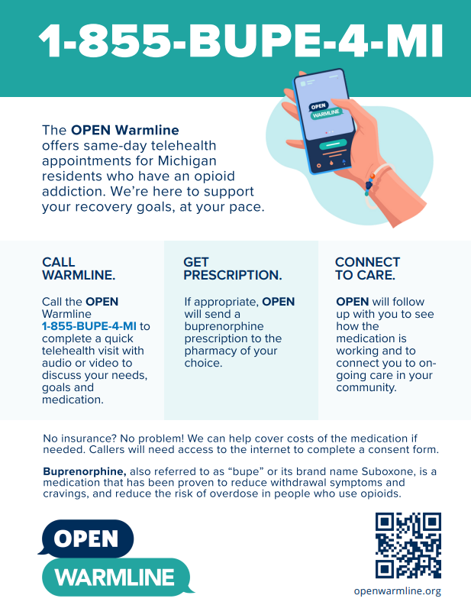
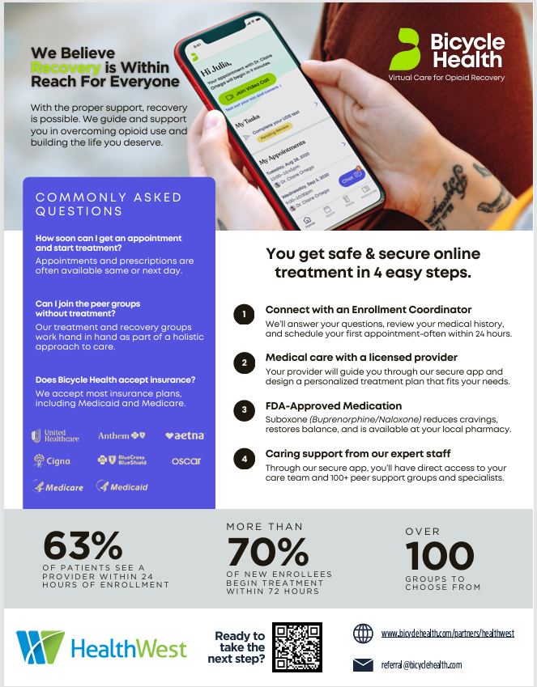
This is a list of known providers for informational uses only. The providers listed below are not contracted with HealthWest.
Provider | Services Provided
Bicycle Health - Telehealth Treatment Program for OUD | Clinical care, medication for addiction treatment (MAT), therapy and support. Dedicated Rapid Referral Portal for HealthWest available - see flyer pasted to the right for QR code and website link. For questions and assistance feel free to contact Jessica Pfeil, Senior Community Outreach Specialist at 857-310-2511 or jessica.pfeil@bicyclehealth.com
https://www.bicyclehealth.com/
Corewell (Spectrum Health) 2009 Holton Road Muskegon 49445 | Ongoing opening for new initiations, possible consideration for transfers. Primary care services not included. Offers Vivitrol and Sublocade as options.
616-391-6120
Hackley Community Care Center 2700 Baker St, Muskegon, MI 49444 | Medication Assisted Treatment/Medication for Opioid Use Disoders may be avaialble for clients receviing pirmary care servcies at HCCC - indivduals should check with their provider about options.
(231) 737-1335
Muskegon Family Care 2201 S. Getty Street Muskegon Heights, MI 49444 | Muskegon Family Care offers medication-assisted treatment by our integrated medical and behavioral health team, using Suboxone and Sublocade for patients who meet criteria.
Phone: (231) 739-9315 ext 1669 After-hours Crisis Line: (231) 737-1703
OPEN Warmline | See flyer to the right of this chart
1-855-BUPE-4-MI
Samartian Health Care 1465 E Apple Ave Muskegon,Mi 49442 | Medication assisted treatment using an intergrated, patient centered approach
231-726-0056
Trinity Health Medical Group Recovery Medicine 3570 Henry Street Suite 220 | Medication treatment services for all substance use disorders. New patients, transfers and self-referrals welcomed. Sublocade, Brixadi and Vivitrol offered. On-site Substance Use Disorder therapy services also available.
616-685-6910

Community Nalaxone Locations
